Sheet1
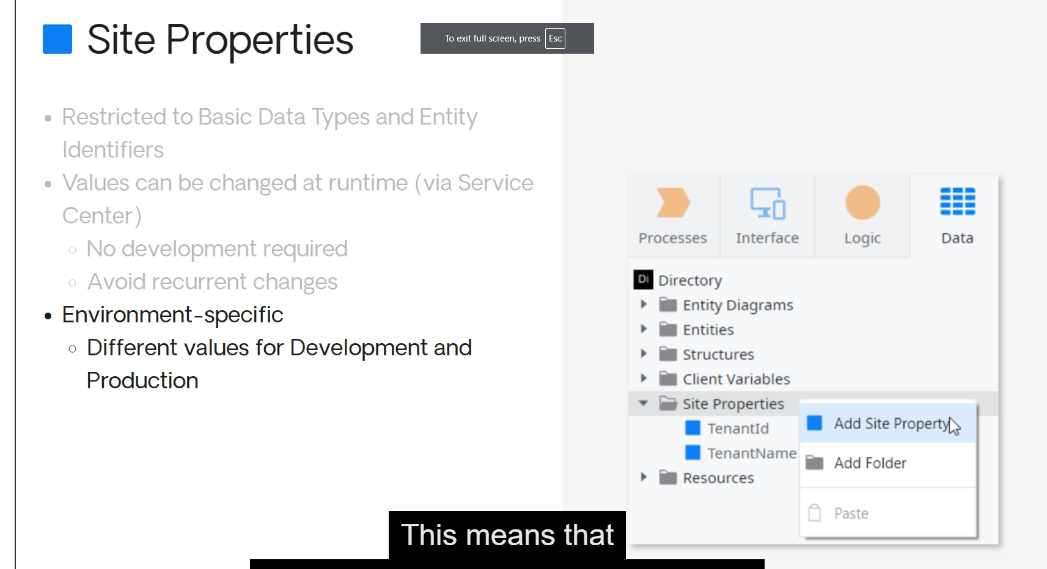
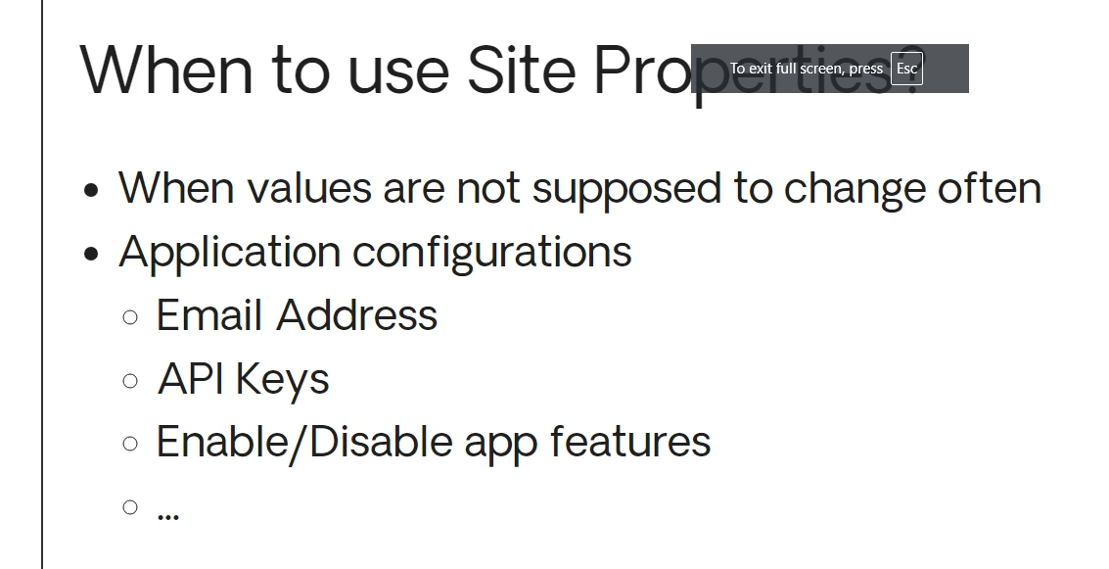
be used to store settings for your application
its value is shared by all end users on that environment

exist only on the server side

